MicrobeMeterCircuit
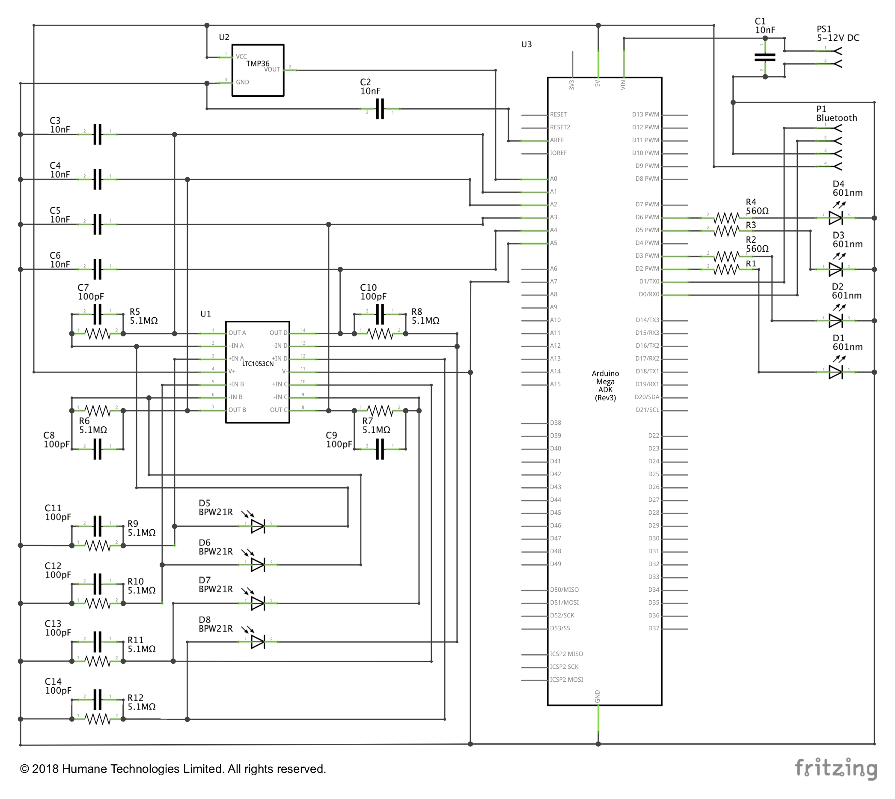
The circuit diagram and parts list of MicrobeMeter v1.0.

Parts | Catalogue Number* | Price | Quantity | Total | Reference | Link
10nF | 538-1196 | £0.076 | 6 | £0.456 | C1-C6 | https://uk.rs-online.com/web/p/ceramic-multilayer-capacitors/5381196/
100pF | 538-1152 | £0.114 | 8 | £0.912 | C7-C14 | https://uk.rs-online.com/web/p/ceramic-multilayer-capacitors/5381152/
560Ω ±1% | 683-3837 | £0.079 | 4 | £0.316 | R1-R4 | http://uk.rs-online.com/web/p/through-hole-fixed-resistors/6833837/
5.1MΩ ±1% | 683-3887 | £0.075 | 8 | £0.600 | R5-R12 | http://uk.rs-online.com/web/p/through-hole-fixed-resistors/6833887/
LTC1053CN | 545-5613 | £12.920 | 1 | £12.920 | U1 | http://uk.rs-online.com/web/p/operational-amplifiers/5455613/
TMP36GT9Z | 427-351 | £1.238 | 1 | £1.238 | U2 (Pin Configuration: 1: 5V, 2: VOUT, 3: GND) | http://uk.rs-online.com/web/p/temperature-humidity-sensors/0427351/
LED 601nm | 262-2955 | £0.250 | 4 | £1.000 | D1-D4 | http://uk.rs-online.com/web/p/visible-leds/2622955/
BPW21R Visible Light Si Photodiode | 708-2813 | £7.310 | 4 | £29.240 | D5-D8 | http://uk.rs-online.com/web/p/photodiodes/7082813/
Header 8-pin | 681-2997P | £0.231 | 6 | £1.386 | PCB to Arduino connectors | https://uk.rs-online.com/web/p/pcb-headers/6812997P/
USB Cable Assembly | 0000644985 | £3.590 | 1 | £3.590 | PS1 (Pin configuration: 1: 5-12V DC, 2: GND) | https://www.uk.insight.com/en-gb/productinfo/usb-cables/0000644985-00000001
JST Connector | Amazon | £0.124 | 9 | £1.116 | Wired JST connectors for LEDs , Photodiodes and Power Supply | https://www.amazon.co.uk/Pairs-100mm-Connector-Female-Battery/dp/B00FF0P5UA/ref=sr_1_2?ie=UTF8&qid=1498498726&sr=8-2&keywords=jst+connectors
TP-Link 10400 mAh Ultra Compact Power Bank | Amazon | £21.860 | 1 | £21.860 | PS1 (Pin configuration: 1: 5-12V DC, 2: GND) | https://www.amazon.co.uk/TP-Link-External-Smartphone-UK-TL-PB10400/dp/B00FZVYHOO/ref=sr_1_1?s=computers&ie=UTF8&qid=1498499015&sr=1-1&keywords=5v+10400mah
PCB~ | Fritzing (Aisler) | £10.040 | 1 | £10.040 |  | https://go.aisler.net/fritzing
Bluetooth Transceiver Module (HC-06) | Amazon | £5.990 | 1 | £5.990 | P1 (Pin Configuration: 1: RX, 2: TX, 3: GND, 4: 5V) | https://www.amazon.co.uk/Arduino-Wireless-Bluetooth-Transceiver-Module/dp/B0093XAV4U/ref=sr_1_1?s=electronics&ie=UTF8&qid=1434554889&sr=1-1&keywords=arduino+bluetooth+module
Arduino Mega^ | 2212779 | £34.000 | 1 | £34.000 | U3 | http://uk.farnell.com/arduino/a000067/atmega2560-arduino-mega2560-rev3/dp/2212779
Consumables (solder, flux, shields, heat-shrinks, cleaning and fixing materials, etc) |  | £5.000 | 1 | £5.000
PLA for 3D-print* | Ultimaker PLA black filament | £11.230 | 1 | £11.230 |  | https://3dgbire.com/collections/filaments/products/ultimaker-pla-black-filament
Plastic White Cylindrical Jar | PJSCPP1.75LW_BUNDLE | £1.670 | 1 | £1.670 |  | https://oipps.co.uk/1-75-l-plastic-white-cylindrical-jar-1
Total |  |  |  | £142.564

~ €33.72 for three PCBs (inclusion VAT and postage)
^ Excluding VAT
* £31.99 (ex. vat) for 750g spool, which contains around 94m of PLA. MicrobeMeter requires around 33m of PLA.
All prices were updated on 2018/03/05. Unless otherwise stated all prices include VAT.

This material is provided under the MicrobeMeter non-commercial, academic and personal use licence.
By using this material, you agree to abide by the MicrobeMeter Terms and Conditions outlined on https://humanetechnologies.co.uk/terms-and-conditions-of-products/.
© 2018 Humane Technologies Limited. All rights reserved.

